토너
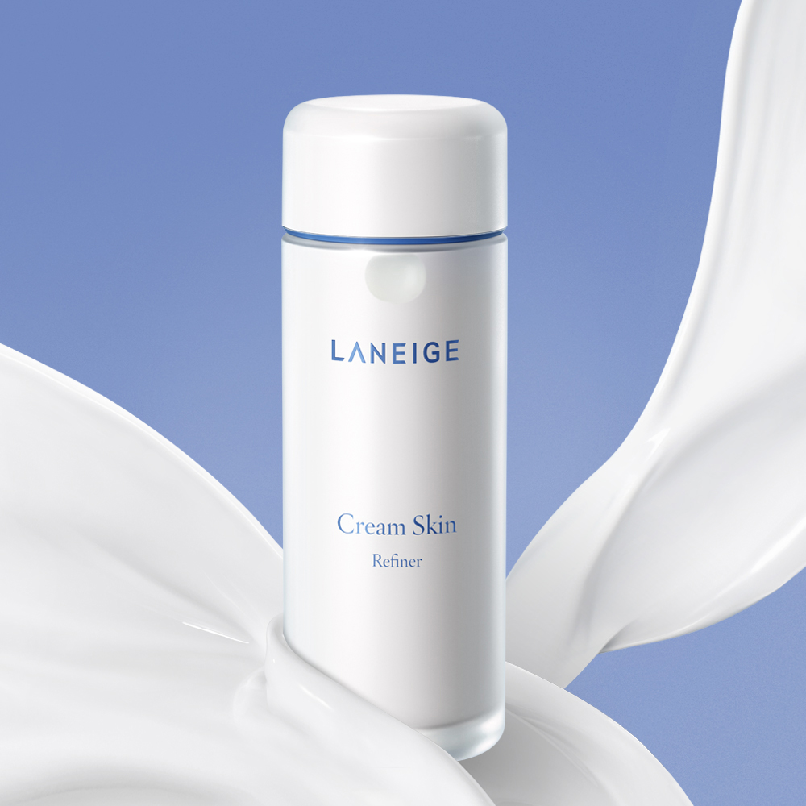
 | product_name | brand_name | category_path | price | image_url | page_url
1 | 다이브인 저분자 히알루론산 토너 300ml 기획(+100ml 추가 증정) | 토리든 | Toner | 21000 | https://image.oliveyoung.co.kr/cfimages/cf-goods/uploads/images/thumbnails/10/0000/0017/A00000017026609ko.jpg?l=ko&QT=85&SF=webp&sharpen=1x0.5 | https://www.oliveyoung.co.kr/store/goods/getGoodsDetail.do?goodsNo=A000000170266&dispCatNo=1000001000100130001&trackingCd=Cat1000001000100130001_Small&t_page=%EC%B9%B4%ED%85%8C%EA%B3%A0%EB%A6%AC%EA%B4%80&t_click=%EC%8A%A4%ED%82%A8/%ED%86%A0%EB%84%88_%EC%A0%84%EC%B2%B4__%EC%83%81%ED%92%88%EC%83%81%EC%84%B8&t_number=2
2 | 티트리 시카 수딩 토너 | 브링그린 | Toner | 27000 | https://image.oliveyoung.co.kr/cfimages/cf-goods/uploads/images/thumbnails/10/0000/0018/A00000018918112ko.jpg?l=ko&QT=85&SF=webp&sharpen=1x0.5 | https://www.oliveyoung.co.kr/store/goods/getGoodsDetail.do?goodsNo=A000000189181&dispCatNo=1000001000100130001&trackingCd=Cat1000001000100130001_Small&t_page=%EC%B9%B4%ED%85%8C%EA%B3%A0%EB%A6%AC%EA%B4%80&t_click=%EC%8A%A4%ED%82%A8/%ED%86%A0%EB%84%88_%EC%A0%84%EC%B2%B4__%EC%83%81%ED%92%88%EC%83%81%EC%84%B8&t_number=3
3 | 크림스킨 170ml 리필 기획 | 라네즈 | Toner, Cream | 33000 | https://cdn.oasis.co.kr:48581/product/15908/thumb/thumb_159086b22c521-8e27-4bd6-9e4c-e3d5bc741224.jpg | https://www.oliveyoung.co.kr/store/goods/getGoodsDetail.do?goodsNo=A000000243074&dispCatNo=1000001000100130001&trackingCd=Cat1000001000100130001_Small&t_page=%EC%B9%B4%ED%85%8C%EA%B3%A0%EB%A6%AC%EA%B4%80&t_click=%EC%8A%A4%ED%82%A8/%ED%86%A0%EB%84%88_%EC%A0%84%EC%B2%B4__%EC%83%81%ED%92%88%EC%83%81%EC%84%B8&t_number=4
4 | 하이드라비오 토너 500ml | 바이오더마 | Toner | 38000 | https://encrypted-tbn0.gstatic.com/images?q=tbn:ANd9GcSjuKVmrmIk-J3QfeGctwoR8Q4e87J3JYSbbA&s | https://www.oliveyoung.co.kr/store/goods/getGoodsDetail.do?goodsNo=A000000226081&dispCatNo=1000001000100130001&trackingCd=Cat1000001000100130001_Small&t_page=%EC%B9%B4%ED%85%8C%EA%B3%A0%EB%A6%AC%EA%B4%80&t_click=%EC%8A%A4%ED%82%A8/%ED%86%A0%EB%84%88_%EC%A0%84%EC%B2%B4__%EC%83%81%ED%92%88%EC%83%81%EC%84%B8&t_number=1
5 | 어성초 77 히알루론산 수분 진정 토너 350ml | 아누아 | Toner | 30500 | https://img.hwahae.co.kr/commerce/goods/20241207_152433_%EA%B5%90.jpg | https://www.oliveyoung.co.kr/store/goods/getGoodsDetail.do?goodsNo=A000000252696&dispCatNo=9000002&trackingCd=BrandA003377_PROD&t_page=%EB%B8%8C%EB%9E%9C%EB%93%9C%EA%B4%80&t_click=%EC%A0%84%EC%B2%B4%EC%83%81%ED%92%88_%EC%8A%A4%ED%82%A8%EC%BC%80%EC%96%B4_%EC%83%81%ED%92%88%EC%83%81%EC%84%B8&t_number=18
6 | 어성초 카밍 토너 스킨부스터 200ml | 아비브 | Toner | 23000 | https://image.oliveyoung.co.kr/cfimages/cf-goods/uploads/images/thumbnails/10/0000/0014/A00000014658910ko.jpg?l=ko&QT=85&SF=webp&sharpen=1x0.5 | https://www.oliveyoung.co.kr/store/goods/getGoodsDetail.do?goodsNo=A000000146589&t_page=%ED%86%B5%ED%95%A9%EA%B2%80%EC%83%89%EA%B2%B0%EA%B3%BC%ED%8E%98%EC%9D%B4%EC%A7%80&t_click=%EA%B2%80%EC%83%89%EC%83%81%ED%92%88%EC%83%81%EC%84%B8&t_search_name=%EC%95%84%EB%B9%84%EB%B8%8C%20%ED%86%A0%EB%84%88&t_number=6&dispCatNo=1000001000100130001&trackingCd=Result_6
7 | 1025 독도 토너 500ml 기획 | 라운드랩 | Toner | 30000 | https://product-image.kurly.com/product/image/49a7f9be-2b4e-41cf-aa1b-94b4abdefb0f.jpg | https://www.oliveyoung.co.kr/store/goods/getGoodsDetail.do?goodsNo=A000000137180&dispCatNo=1000001000100130001&trackingCd=Cat1000001000100130001_Small&t_page=%EC%B9%B4%ED%85%8C%EA%B3%A0%EB%A6%AC%EA%B4%80&t_click=%EC%8A%A4%ED%82%A8/%ED%86%A0%EB%84%88_%EC%A0%84%EC%B2%B4__%EC%83%81%ED%92%88%EC%83%81%EC%84%B8&t_number=7
8 | 아쿠아 오아시스 토너 300ml | 에스네이처 | Toner | 25000 | https://img.hwahae.co.kr/products/1950255/1950255_20220801000000.jpg | https://www.oliveyoung.co.kr/store/goods/getGoodsDetail.do?goodsNo=A000000213171&dispCatNo=1000001000100130001&trackingCd=Cat1000001000100130001_Small&t_page=%EC%B9%B4%ED%85%8C%EA%B3%A0%EB%A6%AC%EA%B4%80&t_click=%EC%8A%A4%ED%82%A8/%ED%86%A0%EB%84%88_%EC%A0%84%EC%B2%B4__%EC%83%81%ED%92%88%EC%83%81%EC%84%B8&t_number=8
9 | 올리고 히알루론산 딥 토너 500ml 대용량 기획 | 더랩바이블랑두 | Toner | 37000 | https://image.oliveyoung.co.kr/cfimages/cf-goods/uploads/images/thumbnails/10/0000/0020/A00000020705407ko.jpg?l=ko&QT=85&SF=webp&sharpen=1x0.5 | https://www.oliveyoung.co.kr/store/goods/getGoodsDetail.do?goodsNo=A000000207054&dispCatNo=9000002&trackingCd=BrandA002924_PROD&t_page=%EB%B8%8C%EB%9E%9C%EB%93%9C%EA%B4%80&t_click=%EC%A0%84%EC%B2%B4%EC%83%81%ED%92%88_%EC%8A%A4%ED%82%A8%EC%BC%80%EC%96%B4_%EC%83%81%ED%92%88%EC%83%81%EC%84%B8&t_number=1
10 | DMT 에센스 인 토너 200ml | 피지오겔 | Toner, Essence | 30000 | https://image.oliveyoung.co.kr/cfimages/cf-goods/uploads/images/thumbnails/10/0000/0024/A00000024367910ko.jpg?l=ko&QT=85&SF=webp&sharpen=1x0.5 | https://www.oliveyoung.co.kr/store/goods/getGoodsDetail.do?goodsNo=A000000243679&dispCatNo=1000001000100130001&trackingCd=Cat1000001000100130001_Small&t_page=%EC%B9%B4%ED%85%8C%EA%B3%A0%EB%A6%AC%EA%B4%80&t_click=%EC%8A%A4%ED%82%A8/%ED%86%A0%EB%84%88_%EC%A0%84%EC%B2%B4__%EC%83%81%ED%92%88%EC%83%81%EC%84%B8&t_number=10

